Introduction
FSCA crickets and katydids stored in alcohol
This paragraph and three tables are copied from text box is taken directly from
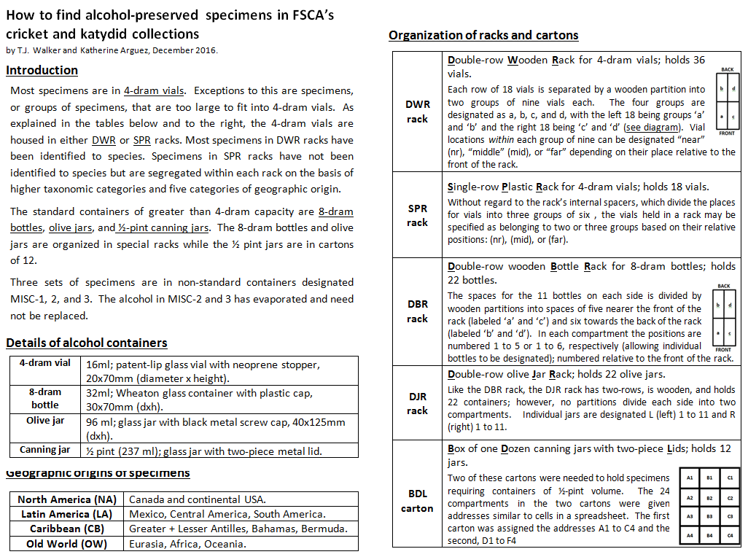

This hyperlink will take you to a PDF document that has links to additional online aids to making use of the FSCA holdings of Ensifera.

 | co

